da1
Buatlah Grafik Multichart!

Berikut data yang dapat kamu gunakan untuk visualisasi

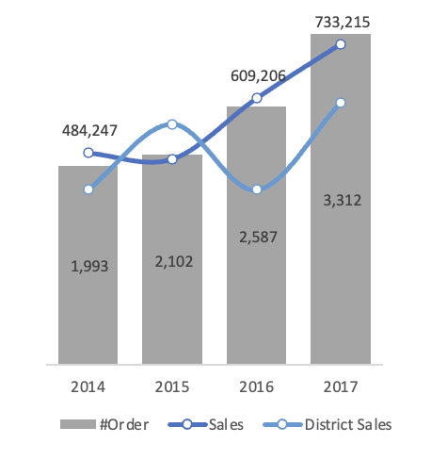
Year | Sales | #Order | District Sales
2014 | 484,247 | 1,993 | 400,000
2015 | 470,533 | 2,102 | 550,000
2016 | 609,206 | 2,587 | 400,000
2017 | 733,215 | 3,312 | 600,000

da2
Buatlah Grafik Perbandingan!

Berikut data yang dapat kamu gunakan untuk visualisasi
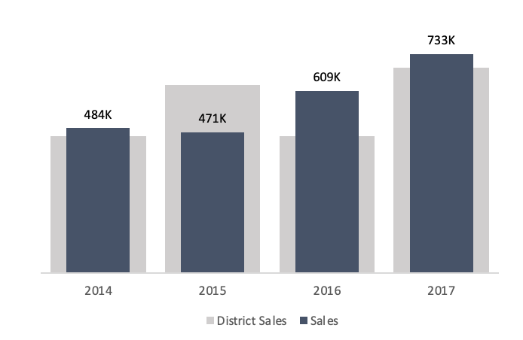
Year | District Sales | Sales
2014 | 400K | 484K
2015 | 550K | 471K
2016 | 400K | 609K
2017 | 600K | 733K

da3
Buatlah Grafik Pengeluaran!

Berikut data yang dapat kamu gunakan untuk visualisasi
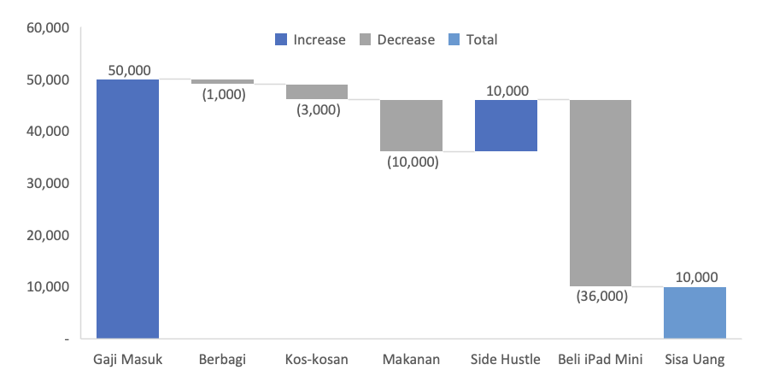
Gaji Masuk | 50,000
Berbagi | (1,000)
Kos-kosan | (3,000)
Makanan | (10,000)
Side Hustle | 10,000
Beli iPad Mini | (36,000)
Sisa Uang | 10,000

